Problem 9
Morton Supply Company
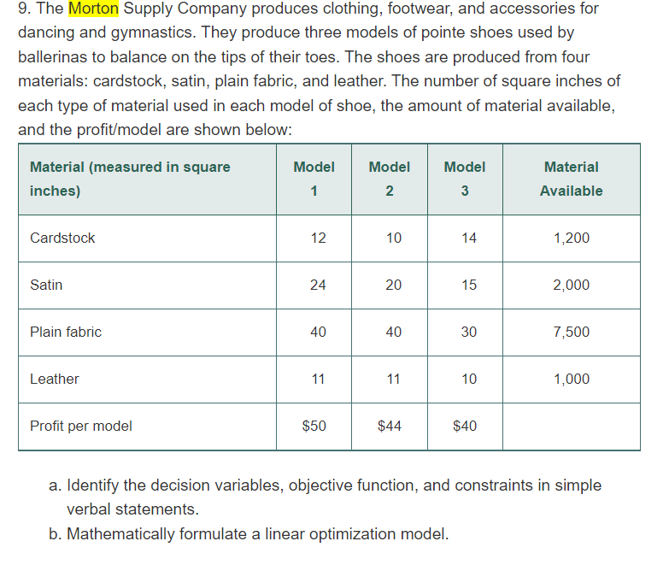

Material (measured in square inches) | Model 1 | Model 2 | Model 3 | Material Available (sq in)
Cardstock | 12 | 10 | 14 | 1200
Satin | 24 | 20 | 15 | 2000
Plain Fabric | 45 | 40 | 30 | 7500
Leather | 11 | 11 | 10 | 1000
Profit Per Model | $50 | $44 | $40

 |  | a) |  |  |  | The decision variable are:

 |  |  |  |  |  | Number of Model 1 pointe shoes

 |  |  |  |  |  | Number of Model 2 pointe shoes

 |  |  |  |  |  | Number of Model 3 pointe shoes

 |  |  |  |  |  | The objective function is the profit maximization where the profits for model 1, 2 and 3 are $ 50, $ 44, $ 40 respectively.

 |  |  |  |  |  | There are 4 constraints involved:

 |  |  |  |  |  | Maximum 1200 square inches of Cardstock is available and per model usage is 12, 10 and 14 square inches respectively in one product

 |  |  |  |  |  | Maximum 2000 square inches of Satin is available and per model usage is 24, 20 and 15 square inches respectively in one product

 |  |  |  |  |  | Maximum 7500 square inches of Plain Fabric is available and per model usage is 40, 40 and 30 square inches respectively in one product

 |  |  |  |  |  | Maximum 1000 square inches of Leather is available and per model usage is 11, 11 and 10 square inches respectively in one product

 |  | b) |  |  | Let X be the Number of Model 1 pointe shoes

 |  |  |  |  | Let Y be the Number of Model 2 pointe shoes

 |  |  |  |  | Let Z be the Number of Model 3 pointe shoes

 |  |  |  |  | Objective Function:

 |  |  |  |  | Maximize: 50X + 44 Y + 40 Z

 |  |  |  |  | Subject to constraints:

 |  |  |  |  | 12X + 10Y + 14Z <=1200

 |  |  |  |  | 24X + 20Y + 15Z <= 2000

 |  |  |  |  | 40X + 40Y + 30Z <= 7500

 |  |  |  |  | 11X + 11Y + 10Z <= 1000

 |  |  |  |  | X,Y,Z >= 0

Problem 5 CH 14
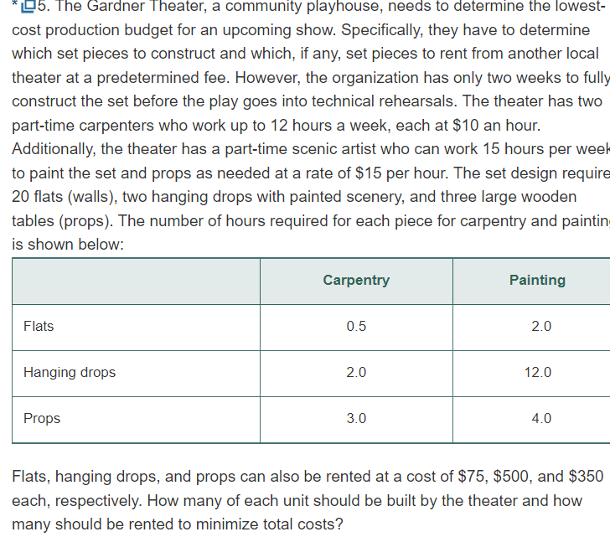
Total weeks available | 2 |  |  |  |  | Formulas
 | Number of | Hrs per w | Total hrs available | Rate
Carpenters | 2 | 12 | 48 | 10 |  | Total hrs available=No. of carpenters * hrs per week * No. of weeks
Artists | 1 | 15 | 30 | 15 |  | Total hrs available=No. of artists * hrs per week * No. of weeks

 | Flats | Drops | Props
Required Qty | 20 | 2 | 3
Time required/Qty
Carpenting | 0.5 | 2 | 3
Painting | 2 | 12 | 4

Rented cost/Qty | 75 | 500 | 350

Rented Qty | 20 | 1 | 0
Rented cost | 1500 | 500 | 0 | 2000 |  | Rented cost=No. of rented pieces * Rented cost/piece

Inhouse | 0 | 1 | 3 |  |  | Inhouse Qty=Total Qty required - Rented Qty
Inhouse time
Carpenting | 0 | 2 | 9 | 11 | YES | Inhouse time= Inhouse Qty * Time per Qty
Painting | 0 | 12 | 12 | 24 | YES | Inhouse time= Inhouse Qty * Time per Qty

Inhouse cost | 0 | 200 | 270 | 470
Carpenting | 0 | 20 | 90 | 110 |  | Inhouse cost= Inhouse time for that item * Carpenting rate per hour
Painting | 0 | 180 | 180 | 360 |  | Inhouse cost= Inhouse time for that item * Painting rate per hour
Total cost of production | 1500 | 700 | 270 | 2470 |  | Total cost= Rented cost + Inhouse cost

 | So for production cost to be minimum, we need to:

 | Item | Inhouse | Rented
 | Flats | 0 | 20
 | Drops | 1 | 1
 | Props | 3 | 0

Problem 12 CH 14
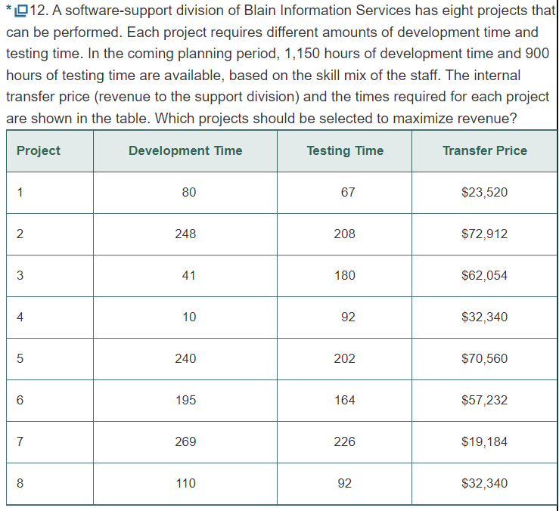
Objective function

Project | 1 | 2 | 3 | 4 | 5 | 6 | 7 | 8 | Maximum revenue
Project selection | 0 | 1 | 1 | 1 | 1 | 1 | 0 | 0 | 295098
Transfer price | 23520 | 72912 | 62054 | 32340 | 70560 | 57232 | 19184 | 32340

Constraints |  |  |  |  |  |  |  |  | Used time | sign | Available time

Development time | 80 | 248 | 41 | 10 | 240 | 195 | 269 | 110 | 734 | <= | 1150
Testing time | 67 | 208 | 180 | 92 | 202 | 164 | 226 | 92 | 846 | <= | 900

 |  |  | The maximized revenue of 295098 can be achieved by the selection of 2, 3, 4, 5, and 6

